Figure 2.4
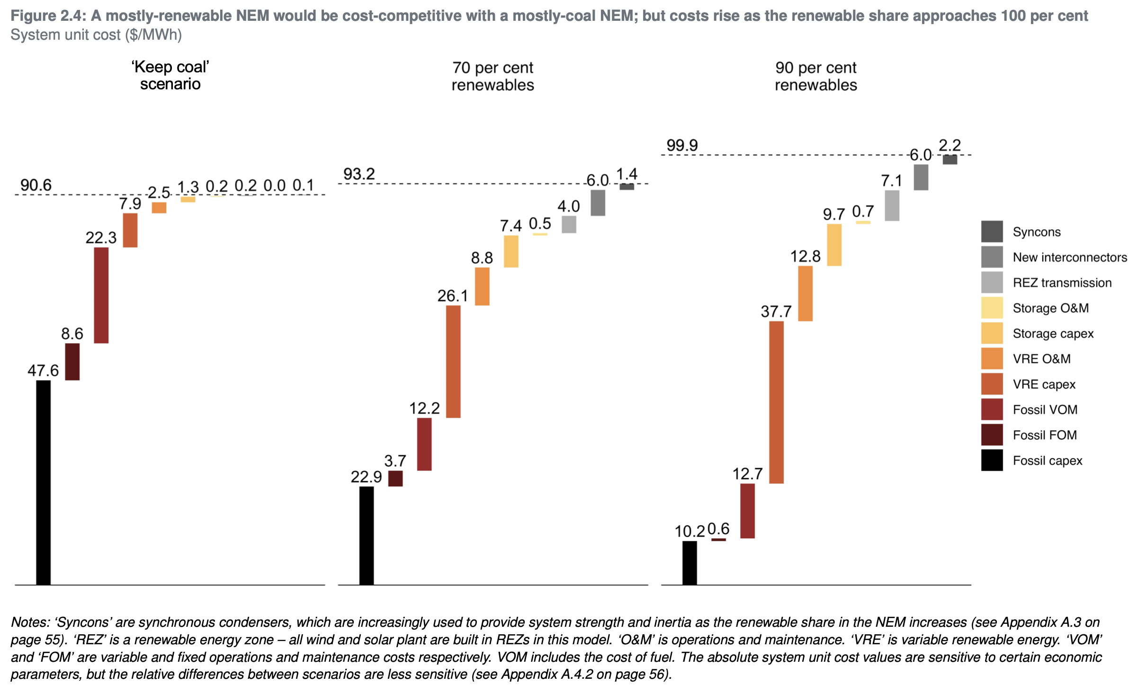
Levelised system cost ($/MWh)
https://grattan.edu.au/wp-content/uploads/2021/04/Go-for-net-zero-Grattan-Report.pdf
Cost element | Scenario | Contribution to system unit cost ($/MWh)
Fossil capex | 'Keep coal' scenario | 47.6
Fossil FOM | 'Keep coal' scenario | 8.6
Fossil VOM | 'Keep coal' scenario | 22.3
VRE capex | 'Keep coal' scenario | 7.9
VRE O&M | 'Keep coal' scenario | 2.5
Storage capex | 'Keep coal' scenario | 1.3
Storage O&M | 'Keep coal' scenario | 0.2
REZ transmission | 'Keep coal' scenario | 0.2
New interconnectors | 'Keep coal' scenario | 0.0
Syncons | 'Keep coal' scenario | 0.1
Fossil capex | 70 per cent renewables | 22.9
Fossil FOM | 70 per cent renewables | 3.7
Fossil VOM | 70 per cent renewables | 12.2
VRE capex | 70 per cent renewables | 26.1
VRE O&M | 70 per cent renewables | 8.8
Storage capex | 70 per cent renewables | 7.4
Storage O&M | 70 per cent renewables | 0.5
REZ transmission | 70 per cent renewables | 4.0
New interconnectors | 70 per cent renewables | 6.0
Syncons | 70 per cent renewables | 1.4
Fossil capex | 90 per cent renewables | 10.2
Fossil FOM | 90 per cent renewables | 0.6
Fossil VOM | 90 per cent renewables | 12.7
VRE capex | 90 per cent renewables | 37.7
VRE O&M | 90 per cent renewables | 12.8
Storage capex | 90 per cent renewables | 9.7
Storage O&M | 90 per cent renewables | 0.7
REZ transmission | 90 per cent renewables | 7.1
New interconnectors | 90 per cent renewables | 6.0
Syncons | 90 per cent renewables | 2.2

Figure 6.8
Figure 6.8 - Composition of a residential electricity bill

kWh: kilowatt hour.
Note: Data are estimates for 2020–21. Average residential customer prices excluding GST. Percentages may not add to 100% due to rounding.

Source: AEMC, Residential electricity price trends 2020, Final report, December 2020.

 |  | Cents per kWh
 |  | Queensland | NSW | Victoria | South Australia | Tasmania | ACT | NEM
 | Wholesale | 7.5 | 9.3 | 10.1 | 11.4 | 8.5 | 9.1 | 9.4
 | Network | 11.4 | 13.7 | 12.0 | 16.2 | 9.7 | 8.1 | 12.8
 | Environmental | 2.7 | 2.3 | 2.4 | 3.5 | 2.3 | 4.2 | 2.5
 | Retail costs and margin | 1.2 | 3.7 | 2.8 | 3.8 | 3.8 | 5.5 | 3.1
 | Retail electricity price | 22.7 | 29.0 | 27.3 | 34.8 | 24.3 | 26.8 | 27.7
 |  |  |  | 42.5568
 |  | Queensland | NSW | Victoria | South Australia | Tasmania | ACT | NEM
 | Wholesale | 33% | 32% | 37% | 33% | 35% | 34% | 34%
 | Network | 50% | 47% | 44% | 46% | 40% | 30% | 46%
 | Environmental | 12% | 8% | 9% | 10% | 9% | 16% | 9%
 | Retail costs and margin | 5% | 13% | 10% | 11% | 16% | 20% | 11%

Figure 6.9
Figure 6.9 - Composition of a residential gas bill

MJ, megajoule.
Note: Data are estimates at 2017. Average residential customer prices excluding GST (real $2018–19). Percentages may not add to 100% due to rounding.

Source: Oakley Greenwood, Gas price trends review 2017, March 2018.

 |  | Cents per MJ
 |  | Queensland | NSW | Victoria | South Australia | Tasmania | ACT | National
 | Wholesale | 0.97 | 1.00 | 1.09 | 0.99 | 1.09 | 1.00 | 1.02
 | Network | 4.31 | 1.82 | 0.84 | 2.93 | 2.67 | 1.81 | 1.33
 | Retail costs and margin | 1.62 | 0.91 | 0.63 | 0.94 | 0.51 | 0.44 | 0.77
 | Total | 6.90 | 3.73 | 2.55 | 4.86 | 4.27 | 3.25 | 3.12

 |  | Queensland | NSW | Victoria | South Australia | Tasmania | ACT | National
 | Wholesale | 14% | 27% | 43% | 20% | 26% | 31% | 33%
 | Network | 62% | 49% | 33% | 60% | 62% | 56% | 43%
 | Retail costs and margin | 23% | 24% | 25% | 19% | 12% | 14% | 25%

Figure 6.10
Figure 6.10 - Energy retail price indices (inflation adjusted)

Note: Consumer price index electricity and gas series for each region, deflated by the consumer price index for all groups. Data at December quarter each year.

Source: ABS, Consumer price index, cat no 6401.0, various years.

 |  | Index value - electricity
 |  | Brisbane | Sydney | Melbourne | Adelaide | Hobart | Canberra | National
 | 2000 | 100.00 | 100.00 | 100.00 | 100.00 | 100.00 | 100.00 | 100.00
 | 2001 | 100.05 | 98.55 | 104.87 | 99.95 | 97.25 | 100.25 | 100.19
 | 2002 | 100.24 | 98.58 | 104.75 | 99.26 | 98.94 | 98.01 | 100.10
 | 2003 | 101.40 | 98.98 | 103.72 | 122.36 | 99.23 | 107.08 | 102.70
 | 2004 | 101.43 | 104.72 | 101.26 | 116.19 | 99.42 | 105.90 | 102.80
 | 2005 | 102.32 | 109.48 | 98.98 | 110.01 | 97.77 | 106.59 | 102.71
 | 2006 | 102.91 | 112.10 | 96.24 | 109.56 | 99.11 | 107.62 | 102.39
 | 2007 | 110.48 | 117.68 | 95.43 | 108.69 | 100.19 | 123.10 | 105.34
 | 2008 | 114.80 | 123.68 | 108.45 | 115.37 | 113.32 | 126.43 | 111.81
 | 2009 | 129.34 | 147.30 | 117.44 | 118.46 | 116.74 | 132.58 | 126.72
 | 2010 | 141.85 | 156.79 | 137.06 | 122.72 | 120.96 | 132.06 | 138.91
 | 2011 | 146.64 | 174.82 | 145.52 | 153.52 | 141.59 | 134.43 | 151.23
 | 2012 | 162.70 | 201.07 | 175.34 | 177.77 | 155.34 | 156.77 | 174.15
 | 2013 | 188.41 | 205.21 | 181.20 | 170.75 | 154.18 | 158.09 | 180.13
 | 2014 | 191.01 | 187.05 | 167.53 | 168.29 | 133.07 | 143.89 | 169.22
 | 2015 | 190.53 | 175.11 | 173.25 | 153.02 | 133.22 | 136.34 | 166.27
 | 2016 | 193.56 | 189.89 | 167.42 | 168.54 | 136.09 | 142.42 | 171.62
 | 2017 | 196.58 | 216.35 | 182.04 | 204.93 | 134.41 | 154.09 | 189.37
 | 2018 | 181.85 | 209.76 | 194.51 | 198.11 | 133.25 | 167.05 | 189.39
 | 2019 | 169.96 | 198.46 | 178.90 | 187.43 | 132.26 | 164.99 | 179.40
 | 2020 | 153.92 | 191.32 | 185.33 | 173.58 | 129.20 | 158.86 | 161.46

 |  | Index value - gas
 |  | Brisbane | Sydney | Melbourne | Adelaide | Hobart | Canberra | National
 | 2000 | 100.00 | 100.00 | 100.00 | 100.00 | 100.00 | 100.00 | 100.00
 | 2001 | 96.87 | 101.64 | 95.29 | 101.93 | 96.60 | 94.56 | 98.07
 | 2002 | 100.35 | 110.44 | 96.08 | 103.25 | 98.28 | 100.01 | 100.93
 | 2003 | 100.83 | 117.15 | 101.35 | 105.76 | 106.75 | 103.70 | 105.44
 | 2004 | 101.29 | 117.87 | 107.91 | 110.30 | 106.82 | 106.48 | 109.43
 | 2005 | 117.82 | 119.36 | 108.88 | 113.99 | 110.44 | 110.70 | 111.65
 | 2006 | 123.57 | 119.81 | 110.98 | 116.33 | 105.59 | 112.94 | 113.25
 | 2007 | 130.25 | 120.73 | 112.00 | 116.97 | 112.89 | 115.40 | 114.51
 | 2008 | 135.38 | 124.99 | 117.62 | 123.89 | 121.68 | 126.21 | 120.96
 | 2009 | 139.65 | 131.18 | 124.78 | 126.11 | 116.98 | 136.95 | 129.30
 | 2010 | 142.38 | 135.10 | 131.92 | 129.96 | 116.02 | 138.48 | 134.71
 | 2011 | 149.40 | 139.26 | 135.32 | 135.51 | 116.65 | 140.67 | 139.56
 | 2012 | 169.13 | 155.97 | 159.85 | 156.07 | 116.08 | 153.68 | 160.21
 | 2013 | 174.44 | 166.51 | 159.29 | 171.47 | 116.00 | 157.04 | 164.68
 | 2014 | 175.48 | 183.36 | 152.34 | 183.28 | 121.17 | 167.42 | 165.88
 | 2015 | 177.51 | 155.45 | 160.67 | 188.31 | 120.44 | 174.16 | 164.81
 | 2016 | 173.82 | 153.65 | 168.68 | 167.29 | 121.59 | 163.39 | 165.49
 | 2017 | 178.53 | 162.66 | 179.02 | 176.86 | 127.04 | 188.30 | 174.98
 | 2018 | 176.52 | 160.22 | 188.50 | 173.09 | 127.79 | 196.09 | 177.48
 | 2019 | 168.55 | 156.67 | 188.46 | 174.62 | 126.21 | 200.57 | 176.70
 | 2020 | 162.90 | 145.58 | 181.04 | 175.75 | 119.05 | 200.38 | 170.62
 |  |  | VIC Index 17-20: | 1.0201858

